Cover


Annex 9: Country Profiles

The country profiles examine each of the 9 project countries in terms of their basic characteristics, transport emissions (current and future scenarios) and low carbon transport. The implementation status of quick wins is highlighted for each country as well as the main barriers, priorities and activities are described in brief paragraphs.

Bangladesh
Country Profile of
 |  | Income Level Group: | Middle-income | Population Size (million): | 164.67
Bangladesh | GDP per Capita: |  | 1018.84 | Share of Urban Population: | 35.68%
 | Motorization Rate (Vehicles per 1,000 ppl): |  | 3.85 | HDI: | 0.579
 |  |  |  | Petroleum Consumption (Barrels Oil/Day): | 107

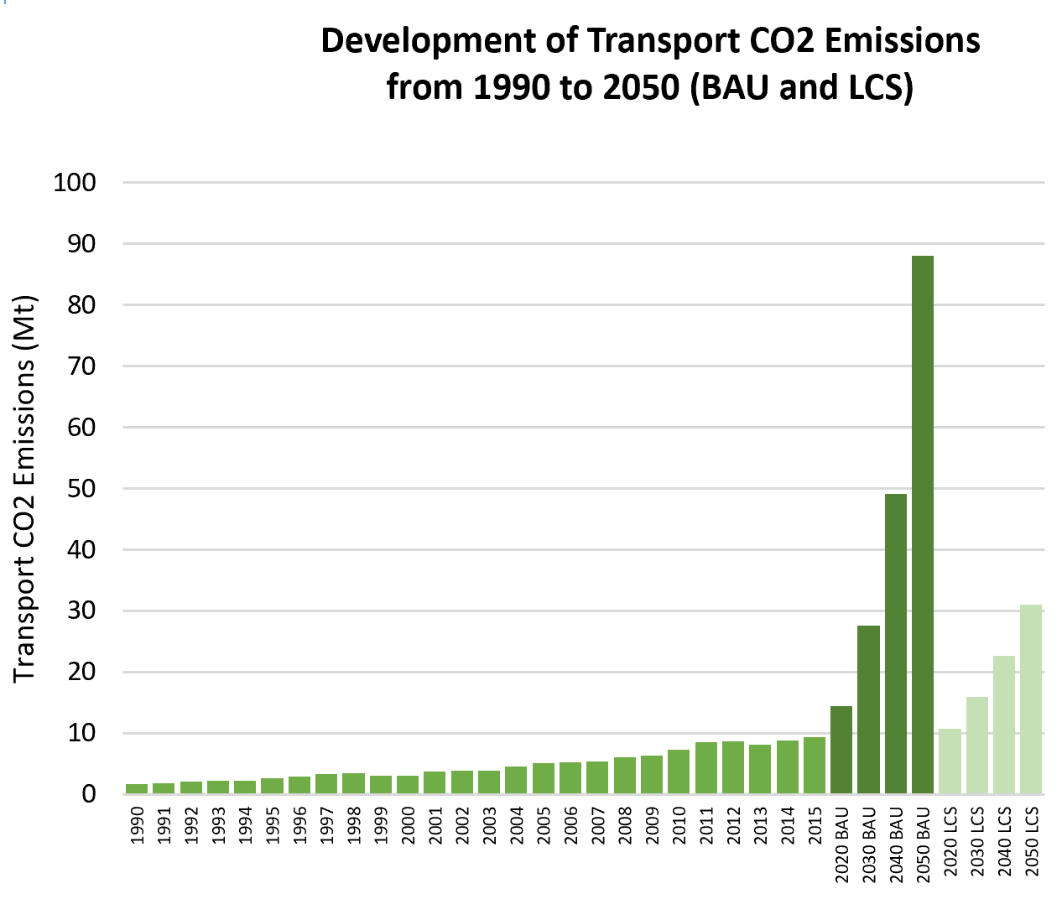
Overview of Transport CO2 Emissions
Transport CO2 Emissions (Mt): | 9.3
Share of Transport in Total Economy-Wide CO2 Emissions: | 13.15% | Global Avg: 29.85% |  |  |  |  | Transport CO2 1990-2015:
Share of Road Transport in Transport CO2 Emissions: | 76.34% | Global Avg: 93.64% |  |  |  |  | 457%
Transport CO2 Emissions per Capita (t CO2/person): | 0.1 | Global Avg: 1.24 |  |  |  |  | BAU 2020-2050:
Transport CO2 Emissions per GDP (t CO2/10,000 USD): | 0.6 | Global Avg: 1.3 |  |  |  |  | 509%
Projected Transport CO2 Emissions for BAU Projections (Mt): | 27.6 | for 2030 |  |  |  |  | LCS 2020-2050:
 | 88.1 | for 2050 |  |  |  |  | 188%
Projected Transport CO2 Emissions for Low Carbon Scenario (LCS) (Mt): | 15.9 | for 2030 | Emission data is based on IEA (2015); SLoCaT (2015) |  |  |  | Emission data is based on IEA (2015); SLoCaT (2015)
 | 31.0 | for 2050

World Bank (2015)
World Bank (2015)
Low Carbon High Volume Transport |  |  |  | Quick Win Low Carbon Transport Measures
Size of Rail Network (km): | 2,835 |  |  | Accelerate tighter diesel fuel quality standards to reduce Black Carbon and other SLCP | Accelerate phase-out of fossil fuel subsidies. | Introduce and scale up pricing for car-related travel options | Limit import of inefficient and polluting second hand trucks
Railway Passenger Activity (million pkm): | 7,305
BRT System Length (km): | No Data |  | BRT Data (2016) | Formulate Sustainable Urban Mobility Plans, supported by a National Urban Mobility Policy | Implement (ultra-) low emission zones, incl. car-free zones in city centers | Provide and improve walking and cycling infrastructure | Promote electric two- and three wheelers, incl. e-vehicle sharing
BRT System Passengerper Day: | No Data |  | BRT Data (2016)
Various Sources
Urban Rail System Length (km): | No Data |  |  | Improve freight efficiency | Tighten fuel economy standards
Fuel Emission Standards: | Euro 1 |  |  | Legend Keys
 |  |  | UNEP (n.d.) | None | Being discussed or small pilot projects | Some implementation or pilot projects | Full-scale or large projects

What priority does reducing greenhouse gas (GHG) emissions have in national/ local decisions that affect transport?
The introduction of transport GHG mitigation is not a priority in Bangladesh, however it is seen as a valuable co-benefit. The development of a transport system dominates transport planning and even some of the suggested transport measures among their climate actions just highlight congestion and the flow of traffic. The efficiency of all modes is regarded as a major national priority and national plans put a strong emphasis on road infrastructure. Issues of air quality have a higher priority than GHG emissions. The capital Dhaka is under a huge stress with a large population size and rapid increase of vehicles. Road safety is another urgent issue that requires a lot of attention (as seen in the protests in 2018). Bangladesh has the target to reduce transport CO2 emissions by 24% below BAU by 2030 by introducing metro and bus rapid transit systems and expansion of freeways. A 15% improvement in vehicle efficiency and a mode shift of 20% from road to rail by 2030 is included in their NDC. Part of this mitigation is coming from the push to use more CNG as an automotive fuel for private vehicles. There are a lot of areas that they can work to reduce more CO2, like the bus sector. Passenger cars are mainly imported second hand from Japan (there is a maximum age of 5 years for car imports) and are converted on arrival to CNG because it significantly reduces fuel costs. It is illegal to use CNG on trucks and buses because there is not enough CNG available for all vehicles however many local city corporation are allowing this as a means to save operating costs.

What are the principal barriers/obstacles that could make broader implementation of LC-HVT difficult to achieve?
The institutional framework in Bangladesh needs to be reformed to better respond to the dynamics and to implement LC-HVT. Challenges are a lack of effective coordination, strong fragmentation of responsibilities and low capacity as well as knowledge in this field. The environmental assessment for projects is also missing and thus, the advantages of sustainable transport aren’t included in transport planning. Projects are being rather planned individually instead of being part of a larger comprehensive approach. The majority of fiscal resources are allocated towards road transport and investments for rail and water transport are on decline. There is a strong need for capacity building. There is a huge shortage of institutional capacity. Part of the problem lies in the contracting process for government employees. It's a different type of selection process. If you are good enough in writing in Bengali and geography, history and there are some questions of multiple choice, and good at writing--It's not necessary that you have a very good transport knowledge or environmental knowledge to join the Roads Finance Department. When a person is joining the department, after that he also needs more knowledge and he needs a personal level of capacity-building. Local -level politicians find it politically risky to propose investments that they have not seen successfully operating in Bangladesh. In most cases they need to personally experience a working pilot. If the project proponent tells them that "I've seen work in Bangkok", some mayors will say, "That's a good idea, we'll do that", but many will reply, "No that's Bangkok, show me something that's working in Bangladesh”.

What is being done to implement low carbon transport? What have been the core influencers of the proposed/current LCT interventions?
Urban: Bangladesh has in recent years added nearly 1,000 buses to the Bangladesh Road Transport Corporation and plans to expand the fleet with 600 more buses. Dhaka is in the process of developing a mass rapid transit system with 6 lines and a BRT corridor Gazipur-Airport is in development. National transport ministry and the environment ministry require to work together on scaling up LCT interventions. Road: Beijing has provided more than $3bn for the bridge across the Padma, as the Ganges is known in Bangladesh as part of a wider plan to spend $30bn on Bangladeshi infrastructure schemes as part of their new Silk Road initiative of global trade routes. Rail: Bangladesh Railway has got a total network of 2,877.10 route kilometres (broad gauge 659.33 km, dual gauge 374.83 km and metre gauge-1,842.94 km) but has been losing market share held back by lack of investment and aging and unreliable rolling stock . Under its Seventh Five-Year Plan (2016-2020), the government has placed special emphasis on railway development, setting targets to increase the market share to 15% in freight transport and 10% in passenger movements by 2020. Inland Waterways: Bangladesh has about 14,000 kms of waterways (rivers/canals) of which about 5,968 kms. remain navigable during monsoon and 3865 kms of rivers/canals are navigable during the dry season. Currently, most of these waterways suffer from navigational hazards like shallow water and narrow width of channel during dry weather, siltation, bank erosion, absence of infrastructure constrained by the absence of proper surface road links to facilitate the smooth transit of cargo. Investment is now deing made to improve the navigability of waterways along the Chittagong-Dhaka-Ashuganj corridor, connecting routes to help reduce travel time, cut cargo costs and boost both national and regional trade. The country will also get a new general cargo terminal at Pangaon and the Ashuganj cargo terminal will get an upgrade. New terminals will be

Existing Avoid Strategies |  | Existing Shift Strategies |  |  | Existing Improve Strategies

Mobility Management |  | Public Transport (Bus and Urban Rail), Green Freight Measures |  |  | Energy Efficiency Standards, Vehicle Emission Standards, Road Infrastructure Development, Railway Infrastructure Development

Based on NDCs, NCs and BURs

This factsheet was generated by The Partnership on Sustainable, Low Carbon Transport (SLoCaT). Data is based on TraKB Version 0.2.

References

Expert interviews Ministry of Environment and Forests (MOEF), Government of the People’s Republic of Bangladesh (2015). Intended Nationally Determined Contributions (INDC). Available at: https://www4.unfccc.int/sites/ndcstaging/PublishedDocuments/Bangladesh%20First/INDC_2015_of_Bangladesh.pdf Jahan, S. (n.d.). Sustainable and inclusive transport development in Bangladesh. Available at: https://www.unescap.org/sites/default/files/2.1%20Sustainable%20and%20inclusive%20transport%20-%20BUET.pdf Road Transport and Highways Division (2018). Development Activities of 10 Years. Leaflet. Available at: https://rthd.portal.gov.bd/sites/default/files/files/rthd.portal.gov.bd/page/528a65c7_22b4_41a3_b9f5_7b3c542c6561//leaflet_10_years.pdf ADB: Additional Financing to the Subregional Transport Project Preparatory Facility (RRP BAN 44142) SECTOR ASSESSMENT (SUMMARY): TRANSPORT A. Sector Performance, Problems, and Opportunities; 1. Transport Network and Traffic in Bangladesh ADB Provides $360 Million for Rolling Stock to Boost Bangladesh Railway; 21 Feb 2018; https://www.adb.org/news/adb-provides-360-million-rolling-stock-boost-bangladesh-railway Bangladesh Gets $360M Investment for Improved Waterways to Ease Trade; June q17, 2016; https://sourcingjournal.com/topics/logistics/bangladesh-gets-360m-investment-for-improved-waterways-to-ease-trade-td-47816/

World Bank (2015)

 | Global Average | Bangladesh
Road | 4.0370572886 | 2.9236561921
Rail | 3.3508126029 | 2.6525252263
Port | 4.022269968 | 3.5449911926
Air | 4.401148766 | 3.2474178791

Ghana
Country Profile of
 |  | Income Level Group: | Middle-income | Population Size (million): | 28.83
Ghana | GDP per Capita: |  | 1671.63 | Share of Urban Population: | 53.87%
 | Motorization Rate (Cars per 1,000 ppl): |  | 32.27 | HDI: | 0.579
 |  |  |  | Petroleum Consumption (Barrels Oil/Day): | 79

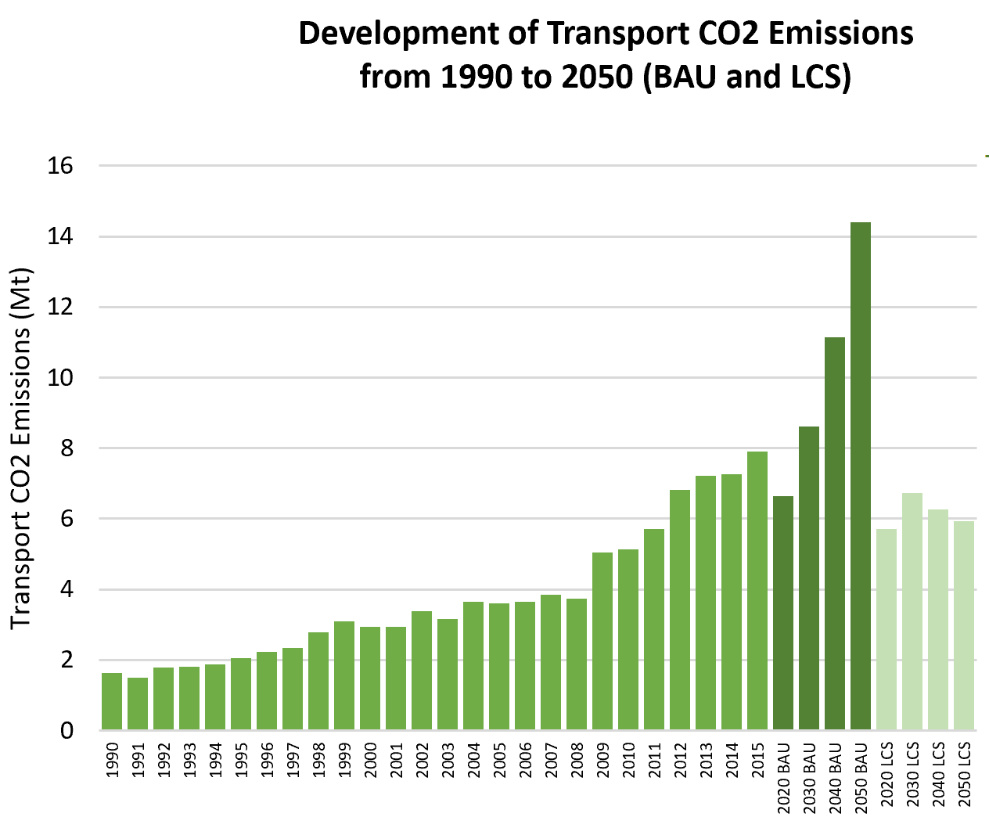
Overview of Transport CO2 Emissions
Transport CO2 Emissions (Mt): | 7.9
Share of Transport in Total Economy-Wide CO2 Emissions: | 53.69% | Global Avg: 29.85% |  |  |  |  | Transport CO2 1990-2015:
Share of Road Transport in Transport CO2 Emissions: | 92.41% | Global Avg: 93.64% |  |  |  |  | 388%
Transport CO2 Emissions per Capita (t CO2/person): | 0.3 | Global Avg: 1.24 |  |  |  |  | BAU 2020-2050:
Transport CO2 Emissions per GDP (t CO2/10,000 USD): | 1.7 | Global Avg: 1.3 |  |  |  |  | 117%
Projected Transport CO2 Emissions for BAU Projections (Mt): | 8.6 | for 2030 |  |  |  |  | LCS 2020-2050:
 | 14.4 | for 2050 |  |  |  |  | 4%
Projected Transport CO2 Emissions for Low Carbon Scenario (LCS) (Mt): | 6.7 | for 2030 | Emission data is based on IEA (2015); SLoCaT (2015) |  |  |  | Emission data is based on IEA (2015); SLoCaT (2015)
 | 5.9 | for 2050

World Bank (2015)
World Bank (2015)
Low Carbon High Volume Transport |  |  |  | Quick Win Low Carbon Transport Measures
Size of Rail Network (km): | No Data |  |  | Accelerate tighter diesel fuel quality standards to reduce Black Carbon and other SLCP | Accelerate phase-out of fossil fuel subsidies. | Introduce and scale up pricing for car-related travel options | Limit import of inefficient and polluting second hand trucks
Railway Passenger Activity (million pkm): | No Data
BRT System Length (km): | No Data |  | BRT Data (2016) | Formulate Sustainable Urban Mobility Plans, supported by a National Urban Mobility Policy | Implement (ultra-) low emission zones, incl. car-free zones in city centers | Provide and improve walking and cycling infrastructure | Promote electric two- and three wheelers, incl. e-vehicle sharing
BRT System Passengerper Day: | No Data |  | BRT Data (2016)
Various Sources
Urban Rail System Length (km): | No Data |  |  | Improve freight efficiency | Tighten fuel economy standards
Fuel Emission Standards: | No Data |  |  | Legend Keys
 |  |  | UNEP (n.d.) | None | Being discussed or small pilot projects | Some implementation or pilot projects | Full-scale or large projects

What priority does reducing greenhouse gas (GHG) emissions have in national/ local decisions that affect transport?
Low-carbon transport as such is not yet a policy aim, although under a UNEP/EPA program policies and programs are being drafted to develop a bill for cabinet approval. In 2008, the Ministry of Transport was divided into two ministries: Ministry of Transport, and Ministry of Roads and Highways. The Department of Urban Roads which is responsible for the mobility improvement, in Accra is now located in the Ministry of Roads and Highways (SSATP 2015).

What are the principal barriers/obstacles that could make broader implementation of LC-HVT difficult to achieve?
As a developing country, Ghana’s primary concern is economic growth and poverty alleviation (EPS, 2015); this means that the country largely prioritises adaptation and sustainable development over climate change mitigation. Rising debt, and an IMF bailout in 2015, mean that funding is a significant barrier to implementing low-carbon measures. There are also fears that lower-carbon measures could lead to job losses and displacement, such as with the BRT development in Accra (with job losses among tro tro operators, and the displacement of hawkers)- including increased public transport fares resulting from the BRT project (CEPS, 2015). CEPS (2015) notes that ‘addressing climate change requires a long-term approach, which is made challenging by the shifting political priorities and lack of long-term vision.’ Capacity, in both technical and institutional aspects, is a substantial barrier to broader implementation of LCT – whether within the Environmental Protection Agency itself or within national policy making agencies, local operation agencies, and non-governmental actors (expert interview). There is a lack of network, collaboration and shared experience between the agencies, a lack of understanding of the local context by foreign investors, and a lack of adequate resources to equip most of the agencies.

What is being done to implement low carbon transport? What have been the core influencers of the proposed/current LCT interventions?
Although climate change mitigation, and energy security are drivers for low carbon development, financial savings (by government), poverty alleviation and economic growth are of significant importance. Public health (in particular the adverse effects on health caused by air pollution) are key to Ghana’s programme for ‘soot-free buses’. (EPA, 2017). Ghana is part of the Central and Western African Regional Framework Agreement on Air Pollution (Abidjan Agreement) (2009) which calls for improvement in fuel quality and the development/implementation of vehicle standards under the transport sector. The country is developing policies to tighten fuel economy standards for passenger vehicles, coupled with labelling schemes and fiscal incentives such as CO2 based vehicle taxation. The driving force behind the BRT corridor in Accra is largely to overcome what has become a dominant feature of urban Ghana: excessive congestion brought about by a failing public transport system and a rapid growth in private vehicles and paratransit operations in the form of tro tros (minibus taxis) (SSATP, 2015). BRT projects intend to overcome current poor quality public transport services, a poor road safety record and low operating speeds (expert interviews) The expansion of inter and intra city mass transportation modes (Rail and bus transit system) in four cities has resulted in the number of trips by public transportation increased by 10% in those cities. The number of walking and cycling trips has increased by 5% in these areas, while there has also been a reduction in travel time by at least 8 minutes per trip by public transport. Transport congestion levels have decreased (expert interviews). However, tro tros remain the dominant public transport mode (although private vehicles account for 70% of passenger trips in Accra – SSATP, 2015), and BRT has had limited implementation. A new pilot called Ayalolo, operated by the Greater Accra Passenger Transport Executive (GAPTE), has scheduled

Existing Avoid Strategies |  | Existing Shift Strategies |  |  | Existing Improve Strategies

Vehicle Import Restrictions |  | Public Transport (Bus and Urban Rail), Walking, Cycling |  |  | Fuel Quality Improvements, Inspections, E-Mobility, Rail Infrastructure Development

Based on NDCs, NCs and BURs

This factsheet was generated by The Partnership on Sustainable, Low Carbon Transport (SLoCaT). Data is based on TraKB Version 0.2.

References

Expert interviews Environmental Protection Agency (EPA), Ghana (2017) Roadmap for the promotion of cleaner buses in Accra, Ghana Centre for European Policy Studies (CEPS) (2015) Country case study – Ghana Climate for Sustainable Growth (2015) Centre for European Policy Studies, Brussels. Andrei Marcu, Project Leader David Belis, Wijnand Stoefs Katja Tuok

World Bank (2015)

 | Global Average | Ghana
Road | 4.0370572886 | 3.5250000119
Rail | 3.3508126029 | 1.7719933331
Port | 4.022269968 | 3.748054862
Air | 4.401148766 | 3.9516462922

India
Country Profile of
 |  | Income Level Group: | Middle-income | Population Size (million): | 1339.18
India | GDP per Capita: |  | 1841.56 | Share of Urban Population: | 32.84%
 | Motorization Rate (Vehicles per 1,000 ppl): |  | 22 | HDI: | 0.624
 |  |  |  | Petroleum Consumption (Barrels Oil/Day): | 4142

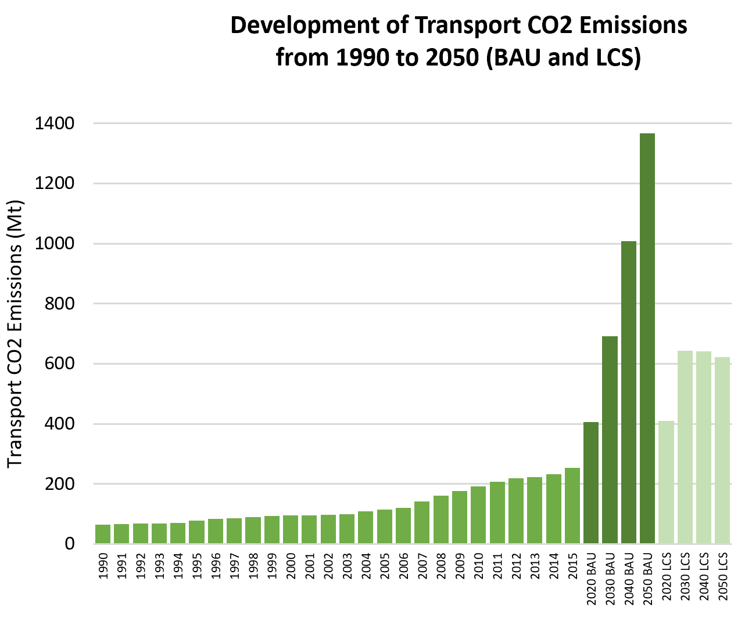
Overview of Transport CO2 Emissions
Transport CO2 Emissions (Mt): | 254.4
Share of Transport in Total Economy-Wide CO2 Emissions: | 11.79% | Global Avg: 29.85% |  |  |  |  | Transport CO2 1990-2015:
Share of Road Transport in Transport CO2 Emissions: | 92.96% | Global Avg: 93.64% |  |  |  |  | 294%
Transport CO2 Emissions per Capita (t CO2/person): | 0.2 | Global Avg: 1.24 |  |  |  |  | BAU 2020-2050:
Transport CO2 Emissions per GDP (t CO2/10,000 USD): | 1.1 | Global Avg: 1.3 |  |  |  |  | 237%
Projected Transport CO2 Emissions for BAU Projections (Mt): | 691.0 | for 2030 |  |  |  |  | LCS 2020-2050:
 | 1366.2 | for 2050 |  |  |  |  | 51%
Projected Transport CO2 Emissions for Low Carbon Scenario (LCS) (Mt): | 643.2 | for 2030 | Emission data is based on IEA (2015); SLoCaT (2015) |  |  |  | Emission data is based on IEA (2015); SLoCaT (2015)
 | 621.2 | for 2050

World Bank (2015)
World Bank (2015)
Low Carbon High Volume Transport |  |  |  | Quick Win Low Carbon Transport Measures
Size of Rail Network (km): | 66,030 |  |  | Accelerate tighter diesel fuel quality standards to reduce Black Carbon and other SLCP | Accelerate phase-out of fossil fuel subsidies. | Introduce and scale up pricing for car-related travel options | Limit import of inefficient and polluting second hand trucks
Railway Passenger Activity (million pkm): | 1,147,190
BRT System Length (km): | 174 |  | BRT Data (2016) | Formulate Sustainable Urban Mobility Plans, supported by a National Urban Mobility Policy | Implement (ultra-) low emission zones, incl. car-free zones in city centers | Provide and improve walking and cycling infrastructure | Promote electric two- and three wheelers, incl. e-vehicle sharing
BRT System Passengerper Day: | 340,122 |  | BRT Data (2016)
Various Sources
Urban Rail System Length (km): | 344 |  |  | Improve freight efficiency | Tighten fuel economy standards

Fuel Emission Standards: | Euro 5 |  |  | Legend Keys
 |  |  | UNEP (n.d.) | None | Being discussed or small pilot projects | Some implementation or pilot projects | Full-scale or large projects

What priority does reducing greenhouse gas (GHG) emissions have in national/ local decisions that affect transport?
The transport sector accounts for nearly 18 per cent of the total energy consumed in India. At the national ministry level, GHG mitigation from transport is recognized as a need—and is detailed in their NDC—but is seen as a useful co-benefit of a sustainable transport policy rather than a priority that should guide transport interventions. Nevertheless, the national transport policy refers to GHG emissions as one of the urgent needs. Air quality however (particularly PM and more recently NOx) is seen as a pressing concern that demands direct attention. Studies in 2014 to 2017 showed that more than 75% of Indian cities continue to report PM concentrations above the National Ambient Air Quality Standard. The matter is grave as air pollution reportedly causes about 1.1 million premature deaths each year. Transport interventions are focused on solving severe transport problems in the country. congestion, reducing air pollution and improving accessibility. India’s NDC expresses a strong focus on a “safe, smart and sustainable green transportation network” through outlining activities around railway transport (freight and passenger), inland water transport, people-centred urban transport systems, metro systems, road development, electric vehicles, fuel efficiency programs and biofuels. Rail: The Total Transport System Study in 2007-08 calculated that railways’ share in total inter-regional freight traffic came down from 89 per cent in 1951 to 30 per cent in 2007-08. India is targeting to increase this share of railways in total land transport from 36% to 45% with a goal of 50% in 2031-2032 with a corresponding reduction in the modal share of road transport. The share of rail in total passenger traffic carried by rail and roads together has also declined from 68 percent in 19521 to 10 percent in 2011-2012. Dedicated Freight Corridors (DFCs), are envisaged to augment rail freight transportation capacity, particularly on the eastern and western Corridors and free up the exi
Urban: India is working on the need to enhanced public transport and NMT systems and disincentivise private vehicle use. Over 10 cities have metro systems. Delhi Metro can reduce around 0.57 Mt CO2 per year. In Delhi, the BRT has been removed after pressure from constituents and strong oppositions from politics and the public. The second phase of India’s successful Faster Adoption and Manufacturing of (Hybrid &) Electric Vehicles (FAME) is being implemented, supporting all types of electric vehicles. FAME supported the purchase of over 2.6 million electric or hybrid vehicles (cars, rickshaws etc.). India has around 1.5 million electric rickshaws. Inland waterways in India are underdeveloped as a mode of transportation, despite their inherent advantages of fuel efficiency, environment friendliness, hinterland connectivity to less developed rural regions, and its capacity to shift large volumes of cargo from congested roads.

What are the principal barriers/obstacles that could make broader implementation of LC-HVT difficult to achieve?
The major gaps for LC-HVT uptake in India is making the case for low-carbon transport to decision-makers and the understanding of lifecycle costs of new technologies: There are no clear emission reduction targets for the transport sector despite various measures and policies being introduced. An anxiety around new technologies and the higher costs (e.g. electric vehicles being currently more expensive) was also identified in the stakeholder interviews. The major issues that need to be addressed include: Lack of interconnected, hierarchical transport network: India needs a holistic approach in designing integrated transport networks. hierarchical connectivity, intermodal access. Rebalancing and Causality: India’s transport networks are severely constrained for capacity however new infrastructure needs to be programmed in anticipation of future demand to reduce investment costs, improve system integration and facilitate LC-HVT. Governance and institutions: India’s unique and dated system of institutional governance has resulted in a transport system that favours silo decisions, with the result that there is little intermodal coordination, and a system that is beset by unclear responsibilities, politicisation of investment, and weak accountability. Skills and human resources: Despite programs such as SUTP-India, the country urgently requires more people skilled in all phases of infrastructure development, procurement, and administration. Funding: different characteristics of the various transport modes warrant different funding models and innovative solutions are needed for LC-HVT implementation. Pricing: A complex web of subsidies, tariffs and taxation policies still apply to transport in India. This results in distorted pricing that hinders LC-HVT choices.

What is being done to implement low carbon transport? What have been the core influencers of the proposed/current LCT interventions?
To improve urban transport, India has over 1,000 km of metro rail in construction or under consideration. Light rail systems are also being constructed around India. The nationwide rail network continues to be electrified and more cities roll out electric buses (Himachal Pradesh, Mumbai, Pune, Kerala and Telangana among others). The Indian city Surat is considering procuring about 50 electric buses through a PPP model or the complete capital investment model. The recently launched National Clean Air Programme aims to promote public transport. To enhance the inland waterways transport, Government has announced the implementation of Jal Marg Vikas for capacity increase. It is also proposed to establish integrated waterways transportation grid with a view to connecting all existing and proposed national waterways with road, rail and ports connectivity. Another initiative is the Sagarmala Project with the objective to increase port-led development.

Existing Avoid Strategies |  | Existing Shift Strategies |  |  | Existing Improve Strategies

Land Use, Fuel Subsidy Removal, Parking Policies, Congestion Charging, Mobility Management |  | Public Metro, Walking Measures, Cycling Measures, Green Freight Measures |  |  | Energy Efficiency Standards, Feebate, Ecodriving Fuel Quality and Vehicle Emission Standards Improvement, Biofuels, E-Mobility, Road Infrastructure Development, Rail Infrastructure Development

Based on NDCs, NCs and BURs

This factsheet was generated by The Partnership on Sustainable, Low Carbon Transport (SLoCaT). Data is based on TraKB Version 0.2.

References

Expert interviews. Government of India (2015). India’s Intended Nationally Determined Contribution: Towards Climate Justice. Available at: https://www4.unfccc.int/sites/ndcstaging/PublishedDocuments/India%20First/INDIA%20INDC%20TO%20UNFCCC.pdf Comparison of Ground-Based PM2.5 and PM10 Concentrations in China, India, and the U.S. Xingchuan Yang Lei Jiang, Wenji Zhao, Qiulin Xiong, Wenhui Zhao, and Xing Yan, Int J Environ Res Public Health. 2018 Jul; 15(7): 1382. Published online 2018 Jul 2. doi: 10.3390/ijerph15071382 India Transport Report. Moving India to 2032; Published in 2014 by Routledge on behalf of the Planning Commission, Government of India, National Transport development Policy Committee; http://planningcommission.nic.in/reports/genrep/NTDPC_Vol_01.pdf Mobile Metropolises:Urban Transport Matters An IEG Evaluation of the World Bank Group’s Support for Urban Transport; Wor¡ld Bank 2017 Press Information Bureau, Government of India (2018). FAME - India Scheme. Available at: http://pib.nic.in/newsite/PrintRelease.aspx?relid=186277 Roychowdhury, A. (2018). Consumer demand doesn't let countries ban import of cheap used cars. DownToEarth. Available at: https://www.downtoearth.org.in/news/governance/consumer-demand-doesn-t-let-countries-ban-import-of-cheap-used-cars-62135 Economic Times (2018). India has more e-rickshaws than China's e-vehicles fleet. Available at: https://auto.economictimes.indiatimes.com/news/industry/india-has-more-e-rickshaws-than-chinas-e-vehicles-fleet/66373571 Autocar Pro News Desk (2019). Olectra-BYD rolls out its 100th electric bus in India. Available at: http://www.autocarpro.in/news-national/olectrabyd-rolls-out-its-100th-electric-bus-in-india-42305

World Bank (2015)

 | Global Average | India
Road | 4.0370572886 | 4.429820935
Rail | 3.3508126029 | 4.4776198805
Port | 4.022269968 | 4.5311874412
Air | 4.401148766 | 4.4947543467

Indonesia
Country Profile of
 |  | Income Level Group: | Middle-income | Population Size (million): | 263.99
Indonesia | GDP per Capita: |  | 3931.43 | Share of Urban Population: | 54.62%
 | Motorization Rate (Vehicles per 1,000 ppl): |  | 87.20 | HDI: | 0.689
 |  |  |  | Petroleum Consumption (Barrels Oil/Day): | 1648

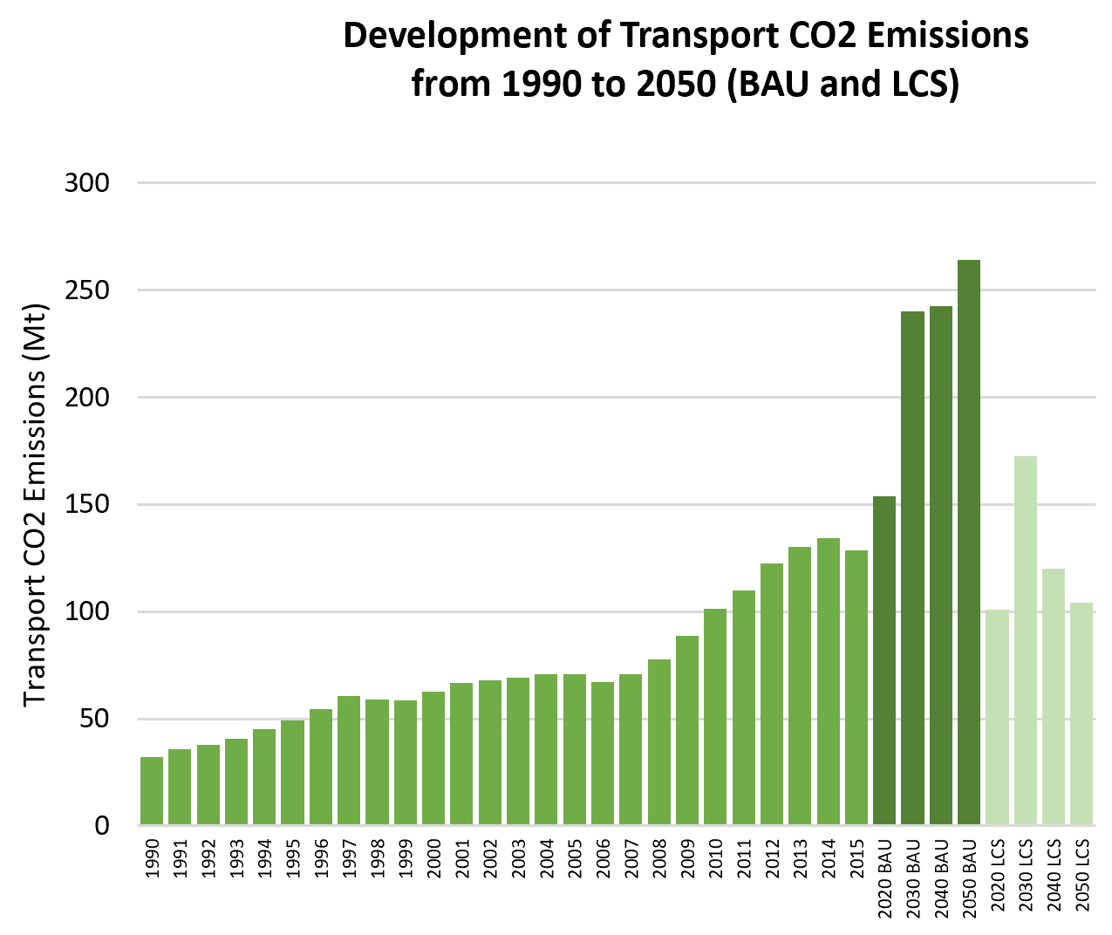
Overview of Transport CO2 Emissions
Transport CO2 Emissions (Mt): | 128.6
Share of Transport in Total Economy-Wide CO2 Emissions: | 26.92% | Global Avg: 29.85% |  |  |  |  | Transport CO2 1990-2015:
Share of Road Transport in Transport CO2 Emissions: | 87.95% | Global Avg: 93.64% |  |  |  |  | 300%
Transport CO2 Emissions per Capita (t CO2/person): | 0.5 | Global Avg: 1.24 |  |  |  |  | BAU 2020-2050:
Transport CO2 Emissions per GDP (t CO2/10,000 USD): | 1.3 | Global Avg: 1.3 |  |  |  |  | 71%
Projected Transport CO2 Emissions for BAU Projections (Mt): | 240.1 | for 2030 |  |  |  |  | LCS 2020-2050:
 | 263.9 | for 2050 |  |  |  |  | 3%
Projected Transport CO2 Emissions for Low Carbon Scenario (LCS) (Mt): | 172.5 | for 2030 | Emission data is based on IEA (2015); SLoCaT (2015) |  |  |  | Emission data is based on IEA (2015); SLoCaT (2015)
 | 104.0 | for 2050

World Bank (2015)
World Bank (2015)
Low Carbon High Volume Transport |  |  |  | Quick Win Low Carbon Transport Measures
Size of Rail Network (km): | 4,684 |  |  | Accelerate tighter diesel fuel quality standards to reduce Black Carbon and other SLCP | Accelerate phase-out of fossil fuel subsidies. | Introduce and scale up pricing for car-related travel options | Limit import of inefficient and polluting second hand trucks
Railway Passenger Activity (million pkm): | 20,283
BRT System Length (km): | 207 |  | BRT Data (2016) | Formulate Sustainable Urban Mobility Plans, supported by a National Urban Mobility Policy | Implement (ultra-) low emission zones, incl. car-free zones in city centers | Provide and improve walking and cycling infrastructure | Promote electric two- and three wheelers, incl. e-vehicle sharing
BRT System Passengerper Day: | 370,000 |  | BRT Data (2016)
Various Sources
Urban Rail System Length (km): | No Data |  |  | Improve freight efficiency | Tighten fuel economy standards
Fuel Emission Standards: | Euro 2 |  |  | Legend Keys
 |  |  | UNEP (n.d.) | None | Being discussed or small pilot projects | Some implementation or pilot projects | Full-scale or large projects

What priority does reducing greenhouse gas (GHG) emissions have in national/ local decisions that affect transport?
Compared to other objectives such as accessibility, GHG reduction is not a major priority for transport policy, however some impact in decisions on policies has been observed, e.g. in fuel efficiency policy discussions and local mobility plans (Bakker et al., 2017). Indonesia’s climate change policy has led to increased political will and momentum to implement transport policies that were developed for various other policy objectives, for example fuel efficiency standards, investments in rail, and BRT. The 5-year strategic plan of the Ministry of Transport also has a CO2 reduction target. In Indonesia, the Ministry of Energy is more active in transport regulations when it comes to fuel efficiency policy and biofuels (including in domestic aviation). The strong push for biofuel production and use is mainly to reduce oil consumption and promote rural development. Biofuel blending up to 20% (B20) is a key measure in achieving the climate change mitigation contribution from the transport sector.

What are the principal barriers/obstacles that could make broader implementation of LC-HVT difficult to achieve?
Inter-ministerial coordination (transport, energy, finance, environment) is still lacking and sometimes there are conflicting policy aims. For example, Indonesia incentivised the production of smaller and more fuel efficient ‘Low Cost Green Cars’ to support the domestic vehicle industry. The objective may have been to reduce emissions; however, because the policies were not harmonised the result has been a fast growing car population that is leading to increased congestion. Capacity constraints and lack of knowledge of sustainable transport solutions are barriers as well. Data and monitoring is another gap. There is a willingness to improve environmental performance by the Ministry of Transport, even if GHG reduction is not yet a key performance indicator. Lack of data is still a key problem (especially for private vehicles), not only for GHG estimation of measures but for policy development in general. It is difficult to secure public funding for data gathering and there is a need to ensure a high-level of quality for the data; in addition, data sharing between government agencies is an imperative. Indonesia is taking steps toward coordinating these efforts through its national climate change framework

What is being done to implement low carbon transport? What have been the core influencers of the proposed/current LCT interventions?
The Jakarta BRT is considered relatively successful, with good integration in the broader public transport, GHG impact and financial sustainability with operational subsidies (like nearly every bus system in world). However in smaller cities in Indonesia, BRT systems have not proven successful. Additionally, there have been large investments in rail and waterway freight; however, modal shift is not yet taking place. Indonesia is planning to develop a national urban mobility plan under the Indonesia Sustainable Urban Transport Program Indonesia (SUTRI-NAMA), which has been initiated by international organisations together with the Ministry of Transport. Fuel economy policy discussions are also taking place, supported by international organisations. Euro IV compliant fuel is available since December 2017 from some suppliers, however such standard is not in place yet due to pushback from refineries. Fossil fuel subsidy reduction is being pursued by the government, mainly to reduce state budget expenditures but also to save fuel.

Existing Avoid Strategies |  | Existing Shift Strategies |  |  | Existing Improve Strategies

Land Use, Parking Policies, Congestion Charging, Mobility Management |  | Public Transport (Bus and Urban Rail), Walking Measures, Cycling Measures |  |  | Ecodriving, Fuel Quality and Vehicle Emission Standards Improvement, Biofuels, Railway Infrastructure Development, Improvement of Data

Based on NDCs, NCs and BURs

This factsheet was generated by The Partnership on Sustainable, Low Carbon Transport (SLoCaT). Data is based on TraKB Version 0.2.

World Bank (2015)

 | Global Average | Indonesia
Road | 4.0370572886 | 3.8593178052
Rail | 3.3508126029 | 3.8225283656
Port | 4.022269968 | 3.9071004917
Air | 4.401148766 | 4.5201966861

Kenya
Country Profile of
 |  | Income Level Group: | Middle-income | Population Size (million): | 49.70
Kenya | GDP per Capita: |  | 1114.88 | Share of Urban Population: | 26.22%
 | Motorization Rate (Vehicles per 1,000 ppl): |  | 29.25 | HDI: | 0.555
 |  |  |  | Petroleum Consumption (Barrels Oil/Day): | 93

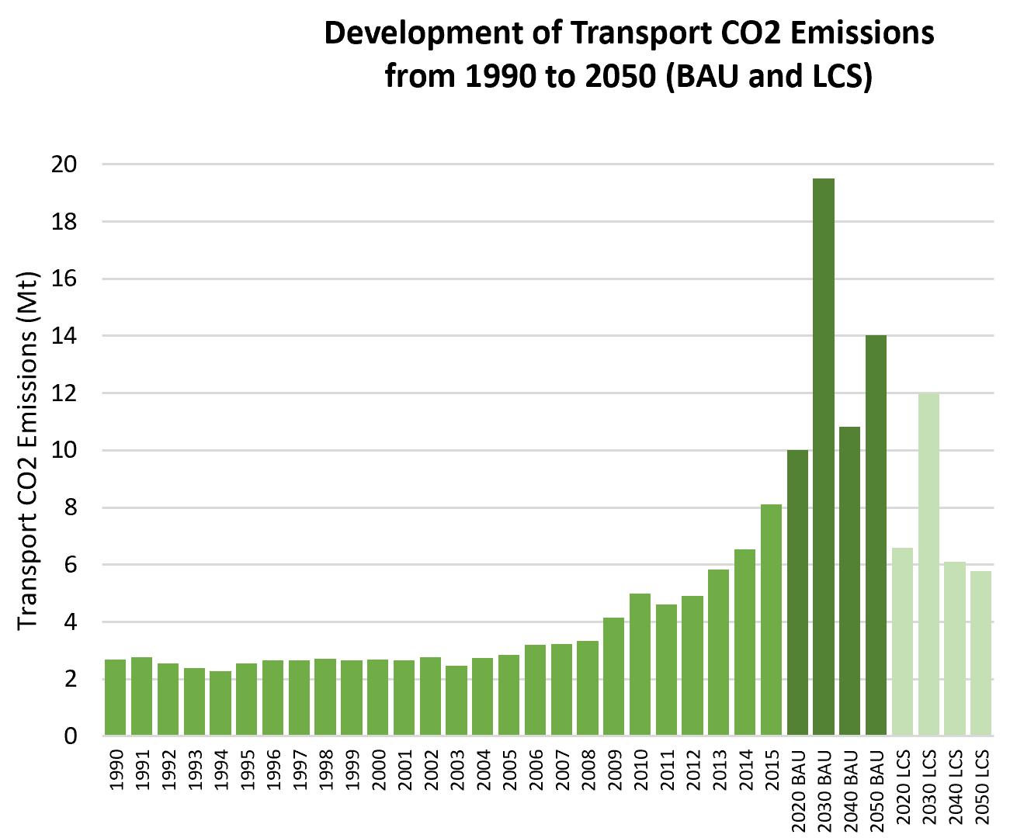
Overview of Transport CO2 Emissions
Transport CO2 Emissions (Mt): | 8.1
Share of Transport in Total Economy-Wide CO2 Emissions: | 53.53% | Global Avg: 29.85% |  |  |  |  | Transport CO2 1990-2015:
Share of Road Transport in Transport CO2 Emissions: | 97.53% | Global Avg: 93.64% |  |  |  |  | 201%
Transport CO2 Emissions per Capita (t CO2/person): | 0.2 | Global Avg: 1.24 |  |  |  |  | BAU 2020-2050:
Transport CO2 Emissions per GDP (t CO2/10,000 USD): | 1.5 | Global Avg: 1.3 |  |  |  |  | 40%
Projected Transport CO2 Emissions for BAU Projections (Mt): | 19.5 | for 2030 |  |  |  |  | LCS 2020-2050:
 | 14.0 | for 2050 |  |  |  |  | -13%
Projected Transport CO2 Emissions for Low Carbon Scenario (LCS) (Mt): | 12.0 | for 2030 | Emission data is based on IEA (2015); SLoCaT (2015) |  |  |  | Emission data is based on IEA (2015); SLoCaT (2015)
 | 5.8 | for 2050

World Bank (2006)
World Bank (2006)
Low Carbon High Volume Transport |  |  |  | Quick Win Low Carbon Transport Measures
Size of Rail Network (km): | 1,917 |  |  | Accelerate tighter diesel fuel quality standards to reduce Black Carbon and other SLCP | Accelerate phase-out of fossil fuel subsidies. | Introduce and scale up pricing for car-related travel options | Limit import of inefficient and polluting second hand trucks
Railway Passenger Activity (million pkm): | 226
BRT System Length (km): | No Data |  | BRT Data (2016) | Formulate Sustainable Urban Mobility Plans, supported by a National Urban Mobility Policy | Implement (ultra-) low emission zones, incl. car-free zones in city centers | Provide and improve walking and cycling infrastructure | Promote electric two- and three wheelers, incl. e-vehicle sharing
BRT System Passengerper Day: | No Data |  | BRT Data (2016)
Various Sources
Urban Rail System Length (km): | No Data |  |  | Improve freight efficiency | Tighten fuel economy standards
Fuel Emission Standards: | No Data |  |  | Legend Keys
 |  |  | UNEP (n.d.) | None | Being discussed or small pilot projects | Some implementation or pilot projects | Full-scale or large projects

What priority does reducing greenhouse gas (GHG) emissions have in national/ local decisions that affect transport?
Like most African countries, Kenya faces what Klopp (2012) describes as a ‘fairly typical plethora of inter-related urban malaises’: high levels of poverty, social segregation, oil dependency, road crashes, ‘extremely poor air quality, serious traffic congestion, limited transport choices, little to no planning for pedestrians and cyclists, and a historical failure to invest in and plan for formal bus and train services (Klopp, 2016). Reducing greenhouse gas emissions is therefore not necessarily the highest priority when it comes to transport decision-making. Congestion and air quality do nevertheless lead to major concerns regarding efficiency, productivity, fuel-consumption and urban health (Klopp, 2012). Thus road building, and air quality, take perhaps the highest priority, and ‘actors with strong interests and focus on rapid road construction and large-scale infrastructure development are at the core of decision making about transportation policy’ (Klopp, 2012). The World Health Organisation measurements of Nairobi air quality has shown it to be one of the worst in the world during peak hours, caused mainly by the import into Kenya of second-hand vehicles.

What are the principal barriers/obstacles that could make broader implementation of LC-HVT difficult to achieve?
In Kenya, transportation decision-making has been influenced by the way in which power and institutions operate, both formally and informally, with bus services shifting even in relation to elections (Klopp, 2016). Barriers include what Klopp (2012) describes as the large and distorting role of external actors; fragmentation in institutions, policymaking and projects; closed and top-down planning processes; the absence of mobilisation for policies and projects that serve the majority of city residents, especially the poorer segments. Overall, these have their origins in a broader political context which includes a historical legacy of planning as a form of exclusion, authoritarian politics, and institutional configurations and practices that favour patronage and rent-seeking (Klopp, 2012). These are challenges not necessarily at play in Kenya alone, nor are they peculiar to the implementation of low-carbon transport measures but to progressive and inclusive public policies overall.

What is being done to implement low carbon transport? What have been the core influencers of the proposed/current LCT interventions?
Kenya has developed a National Climate Change Response Strategy (NCCRS 2010), a National Climate Change Action Plan (NCCAP 2013), a National Adaption Plan (NAP) and a Climate Change Act (2016) to curb the increased emissions in the country (Lah et al, 2017). The country’s Vision 2030 intends to promote mass transit systems to cater for the large numbers of people who currently walk as their main mode. Shifting road freight to rail, water and non-motorised transportation can reduce up to 4.1 MtCO2 a year until 2030 (Kenya´s National Climate Change Action Plan, 2013). UNEP is working with the Kenyan government to implement a tax incentive scheme, increasing the share of cleaner vehicles, prohibiting old, emissions-intensive vehicles from using Kenya’s roads (Lah et al, 2017). Kenya, in its 2nd NC, indicated that the sustainable transport option with the largest mitigation potential is the development of an extensive mass transit system for greater Nairobi in the form of BRT corridors, complemented by Light Rail in high thoroughfare corridors. This public transport system has an abatement potential of approximately 2.8 Mt CO2eq a year by 2030 (Government of Kenya, 2015). Kenya has analysed seven low carbon development options for the transport sector in its 2nd NC. Among those, the option with the second largest mitigation potential is the introduction of biodiesel, with a 10 % blend requirement having a potential of approximately 1.2 Mt CO2eq a year in 2030. The abatement potentials for the other low carbon development options vary between 0.5 and 0.8 Mt CO2eq a year in 2030 (Government of Kenya, 2015). Kenya’s Integrated National Transport Policy (Moving a Working Nation) (2009) in particular recognises non-motorised modes, and notes that ‘no action has been taken to integrate them into the national transport network so that they can effectively play a complementary role to road and other transport modes for both passengers and goods.’ (Jennings et al, 2016). Nairo

Existing Avoid Strategies |  | Existing Shift Strategies |  |  | Existing Improve Strategies

Vehicle Restrictions |  | Public Transport (Bus and Urban Rail), Green Freight Measures |  |  | Fuel Economy/ Energy Efficiency Standards, Biofuels, Railway Infrastructure Development

Based on NDCs, NCs and BURs

This factsheet was generated by The Partnership on Sustainable, Low Carbon Transport (SLoCaT). Data is based on TraKB Version 0.2.

References

Expert interviews Klopp, Jacqui (2012) Towards a Political Economy of Transportation Policy and Practice in Nairobi. Urban Forum · March 2012. Springer Klopp, Jacqui (2016) Politics, policy and paratransit: a view from Nairobi, Ch 4 in Paratransit in African Cities (eds Roger Behrens et al), Earthscan. SSATP (2015) Policies for Sustainable Accessibility and Mobility in Urban Areas of Africa Cities, TRANSITEC Consulting Engineers Ltd (M. Stucki), in collaboration with ODA, CODATU and Urbaplan Jennings, Gail et al (2016) Global Outlook on Walking and Cycling: Policies and Realities from around the world UN Environment (UNEP), Nairobi Lah, Oliver, Lah, Barbara, Kodukula, Santosh (2017) New Urban Pathways to Better Air Quality and Climate Action: Case Study on Kenya: Country Assessment Report on Nationally Determined Contributions. Wuppertal Institute Government of Kenya (2015) Kenya Second National Communication to the United Nations Framework Convention on Climate Change. https://bit.ly/2yDomrE

World Bank (2015)

 | Global Average | Kenya
Road | 4.0370572886 | 4.1876190667
Rail | 3.3508126029 | 2.8437061323
Port | 4.022269968 | 4.1932888031
Air | 4.401148766 | 4.8430186447

Nigeria
Country Profile of
 |  | Income Level Group: | Middle-income | Population Size (million): | 190.89
Nigeria | GDP per Capita: |  | 2392.92 | Share of Urban Population: | 50.17%
 | Motorization Rate (Vehicles per 1,000 ppl): |  | 20.70 | HDI: | 0.527
 |  |  |  | Petroleum Consumption (Barrels Oil/Day): | 316

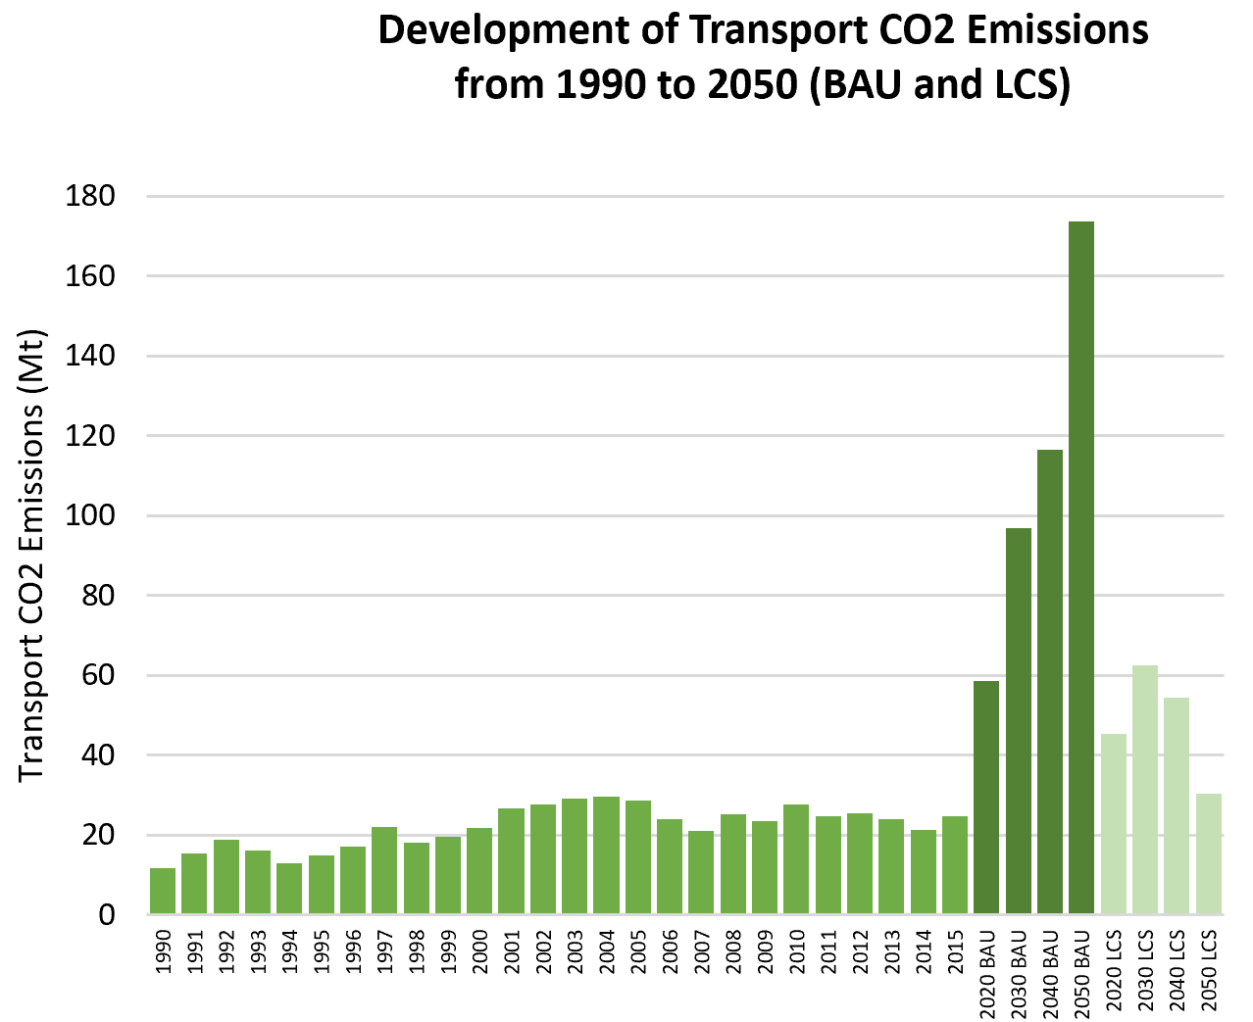
Overview of Transport CO2 Emissions
Transport CO2 Emissions (Mt): | 24.6
Share of Transport in Total Economy-Wide CO2 Emissions: | 27.44% | Global Avg: 29.85% |  |  |  |  | Transport CO2 1990-2015:
Share of Road Transport in Transport CO2 Emissions: | 99.59% | Global Avg: 93.64% |  |  |  |  | 109%
Transport CO2 Emissions per Capita (t CO2/person): | 0.1 | Global Avg: 1.24 |  |  |  |  | BAU 2020-2050:
Transport CO2 Emissions per GDP (t CO2/10,000 USD): | 0.5 | Global Avg: 1.3 |  |  |  |  | 196%
Projected Transport CO2 Emissions for BAU Projections (Mt): | 96.8 | for 2030 |  |  |  |  | LCS 2020-2050:
 | 173.7 | for 2050 |  |  |  |  | -33%
Projected Transport CO2 Emissions for Low Carbon Scenario (LCS) (Mt): | 62.6 | for 2030 | Emission data is based on IEA (2015); SLoCaT (2015) |  |  |  | Emission data is based on IEA (2015); SLoCaT (2015)
 | 30.4 | for 2050

World Bank (2007)
World Bank (2007)
Low Carbon High Volume Transport |  |  |  | Quick Win Low Carbon Transport Measures
Size of Rail Network (km): | 3,528 |  |  | Accelerate tighter diesel fuel quality standards to reduce Black Carbon and other SLCP | Accelerate phase-out of fossil fuel subsidies. | Introduce and scale up pricing for car-related travel options | Limit import of inefficient and polluting second hand trucks
Railway Passenger Activity (million pkm): | 174
BRT System Length (km): | 22 |  | BRT Data (2016) | Formulate Sustainable Urban Mobility Plans, supported by a National Urban Mobility Policy | Implement (ultra-) low emission zones, incl. car-free zones in city centers | Provide and improve walking and cycling infrastructure | Promote electric two- and three wheelers, incl. e-vehicle sharing
BRT System Passengerper Day: | 200,000 |  | BRT Data (2016)
Various Sources
Urban Rail System Length (km): | No Data |  |  | Improve freight efficiency | Tighten fuel economy standards
Fuel Emission Standards: | No Data |  |  | Legend Keys
 |  |  | UNEP (n.d.) | None | Being discussed or small pilot projects | Some implementation or pilot projects | Full-scale or large projects

What priority does reducing greenhouse gas (GHG) emissions have in national/ local decisions that affect transport?
Nigeria’s transport mitigation actions reported in its NC and NDC focus on the expansion of its BRT system, and the modal shift from car to bus and expansion of the high speed rail network. ‘The overriding principles are about providing mobility and access.. Everyone else is secondary (expert interview)/ Regarding Lagos in particular (the capital of Nigeria and one of the largest cities in the world), transport decisions are based on the urgent need to improve urban mobility. Traffic in the city is frequently stationary and long commutes, often of over two hours, are a common experience for residents (Mason-Jones et al, 2012). Although the Lagos Urban Transport programme will eventually lead to improvement in the reduction in GHG Gas emissions, there are no institutional structures and attempts to monitor and plan towards it. One cannot identify a specific institution or documents that suggest the measures or indicators that have been developed towards achieving reduction in air and noise pollution (SSATP, 2015). In 2012 the Lagos transport authority, LAMATA, claimed that the BRT-Lite system had resulted in a 13% reduction in CO2 emissions along the operating corridor, the literature or sources have not identified any independent assessments of this assertion. Most passengers were previously using other forms of public transport, with only a small proportion having been attracted out of private cars. However, the use of newer, larger buses on the BRT corridor suggests that there would have been some level of efficiency gain from the implementation (Mason-Jones et al, 2012).

What are the principal barriers/obstacles that could make broader implementation of LC-HVT difficult to achieve?
Unlike most African cities, Nigeria as a whole, Lagos State, and LAMATA are able to attract significant investments from both international development partners and local sources (SSATP, 2015). Infrastructure and facilities for the initial BRT Lite line were financed directly from Lagos State, and LAMATA also has a dedicated source of funds (road use taxes) which will be used to partially finance future lines (Kumar et al, n.d.). The Lagos BRT also benefited from ‘strong, forceful support from a politically astute champion’ and was backed by ‘a solid organization with superior administrative and technical skills and public transport experience’ (Kumar et al, n.d.). This is not to say that challenges and barriers do not exist. The absence of policies on land use and economic development have led to urban sprawl, increased travel distances, and increased the price of public transport (SSATP, 2015). Most developments in Lagos are unplanned, and public transport costs to users constitute over 20% of disposable income (SSATP, 2015). There are no public operating subsidies, and operating profit allowed the loans used to purchase the buses from Tata have been paid back early (Kumar et al, n.d.); while this has been hailed as a success story, there are real concerns that this renders public transport ultimately not financially viable, and that it leads to high costs for users and operators (expert interviews). There are cultural challenges too, where people see the use of private cars as a status symbol. Much personal investment goes into car ownership, thus attempts to persuade people to stop using them is an uphill battle (expert interviews); likewise, for two-wheelers and bicycles.

What is being done to implement low carbon transport? What have been the core influencers of the proposed/current LCT interventions?
Nigeria’s National Policy on Transportation (2015) aims to develop an ‘adequate, safe, environmentally sound, efficient, affordable, preferred and integrated transport system within the framework of a progressive and competitive market economy. Its purpose is to establish a framework that can guide the planning and development of transport activities in a systematic and sustainable manner for the social and economic development of Nigeria.’ A National Cycling Policy and Strategy and a pedestrian manual do exist in draft form (Jennings et al, 2016), and Lagos state is developing an NMT policy. The key low-carbon transport measure in Nigeria is the Lagos BRT-Lite, which was launched in 2008, operating along a 22 km corridor running radially out of the CBD. The BRT infrastructure consists of physically segregated lanes along 65% of the corridor length, exclusive BRT lanes marked by paint along a further 20%, and buses travelling with the mixed traffic for 15% of the route. Nigeria is part of the Central and Western African Regional Framework Agreement on Air Pollution (Abidjan Agreement, 2009), which calls for improvement in fuel quality and the development/implementation of vehicle standards under the transport sector. Nigeria is also working to blend 10% by volume of Fuel-Ethanol with Gasoline (E10) and 20% by volume of Biodiesel with Petroleum Diesel (B20) for transport fuels, and plans to introduce efficiency standards and the use of LPG / CNG for buses and taxis.

Existing Avoid Strategies |  | Existing Shift Strategies |  |  | Existing Improve Strategies

Land Use, Fuel Subsidy Removal, Congestion Charging/ Low Emission Zones, Pricing |  | Public Bus Transport, Walking Measures, Cycling Measures, Green Freight Measures |  |  | Fuel Economy/ Energy Efficiency Standards, Biofuels, LPG/CNG, Road Infrastructure Development, Rail Infrastructure Development

Based on NDCs, NCs and BURs

This factsheet was generated by The Partnership on Sustainable, Low Carbon Transport (SLoCaT). Data is based on TraKB Version 0.2.

References

Expert interviews SSATP (2015) Policies for Sustainable Accessibility and Mobility in Urban Areas of Africa Cities, TRANSITEC Consulting Engineers Ltd (M. Stucki), in collaboration with ODA, CODATU and Urbaplan Jennings, Gail et al (2016) Global Outlook on Walking and Cycling: Policies and Realities from around the world UN Environment (UNEP), Nairobi Mason-Jones, K and Cohen, B (2012) Lagos BRT-Lite: WWF-SA Low-Carbon Transport Frameworks Kumar, Ajay, Zimmerman, Sam, and Agarwal, OP (n.d.) International Experience in Bus Rapid Transit (BRT) Implementation: Synthesis of Lessons Learned from Lagos, Johannesburg, Jakarta, Delhi, and Ahmedabad. For Sub-Saharan Africa Transport Policy Program (SSATP and the Australian Agency for International Development Aid (AusAID)

World Bank (2015)

 | Global Average | Nigeria
Road | 4.0370572886 | 2.6226791226
Rail | 3.3508126029 | 1.4803855833
Port | 4.022269968 | 2.8180746253
Air | 4.401148766 | 3.2008292696

Rwanda
Country Profile of
 |  | Income Level Group: | Low-income | Population Size (million): | 12.21
Rwanda | GDP per Capita: |  | 721.23 | Share of Urban Population: | 32.96%
 | Motorization Rate (Cars per 1,000 ppl): |  | No Data | HDI: | 0.498
 |  |  |  | Petroleum Consumption (Barrels Oil/Day): | 6

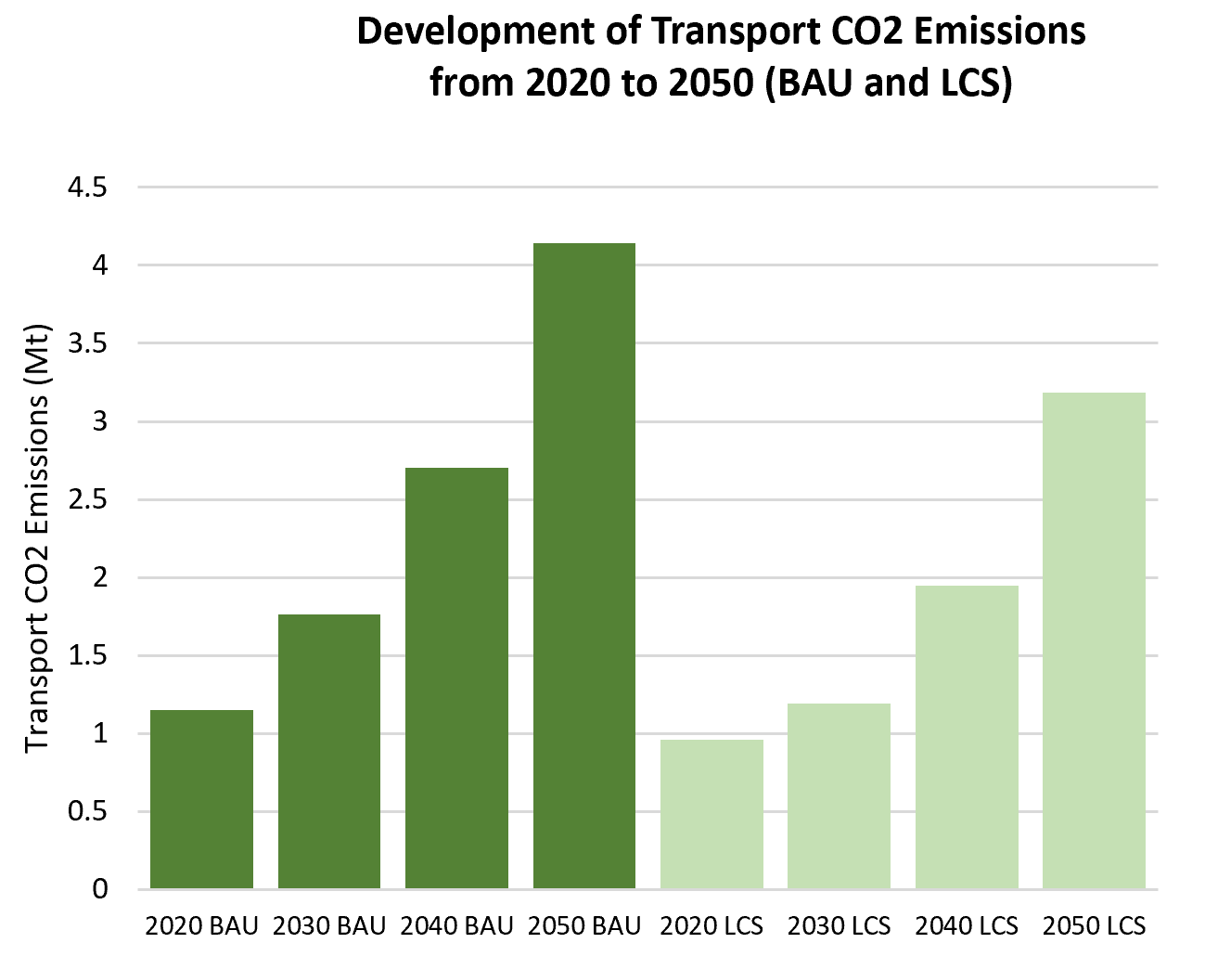
Overview of Transport CO2 Emissions
Transport CO2 Emissions (Mt): | No Data
Share of Transport in Total Economy-Wide CO2 Emissions: | No Data | Global Avg: 29.85% |  |  |  |  | Transport CO2 1990-2015:
Share of Road Transport in Transport CO2 Emissions: | No Data | Global Avg: 93.64% |  |  |  |  | N/A
Transport CO2 Emissions per Capita (t CO2/person): | No Data | Global Avg: 1.24 |  |  |  |  | BAU 2020-2050:
Transport CO2 Emissions per GDP (t CO2/10,000 USD): | No Data | Global Avg: 1.3 |  |  |  |  | 261%
Projected Transport CO2 Emissions for BAU Projections (Mt): | 1.8 | for 2030 |  |  |  |  | LCS 2020-2050:
 | 4.1 | for 2050 |  |  |  |  | 232%
Projected Transport CO2 Emissions for Low Carbon Scenario (LCS) (Mt): | 1.2 | for 2030 | Emission data is based on IEA (2015); SLoCaT (2015) |  |  |  | Emission data is based on IEA (2015); SLoCaT (2015)
 | 3.2 | for 2050

World Bank (2015)
World Bank (2015)
Low Carbon High Volume Transport |  |  |  | Quick Win Low Carbon Transport Measures
Size of Rail Network (km): | No Data |  |  | Accelerate tighter diesel fuel quality standards to reduce Black Carbon and other SLCP | Accelerate phase-out of fossil fuel subsidies. | Introduce and scale up pricing for car-related travel options | Limit import of inefficient and polluting second hand trucks
Railway Passenger Activity (million pkm): | No Data
BRT System Length (km): | No Data |  | BRT Data (2016) | Formulate Sustainable Urban Mobility Plans, supported by a National Urban Mobility Policy | Implement (ultra-) low emission zones, incl. car-free zones in city centers | Provide and improve walking and cycling infrastructure | Promote electric two- and three wheelers, incl. e-vehicle sharing
BRT System Passengerper Day: | No Data |  | BRT Data (2016)
Various Sources
Urban Rail System Length (km): | no |  |  | Improve freight efficiency | Tighten fuel economy standards
Fuel Emission Standards: | No Data |  |  | Legend Keys
 |  |  | UNEP (n.d.) | None | Being discussed or small pilot projects | Some implementation or pilot projects | Full-scale or large projects

What priority does reducing greenhouse gas (GHG) emissions have in national/ local decisions that affect transport?
Rwanda has set an ambitious conditional target to reduce 64% of GHG emissions in the transport sector by 2030 compared to BAU. Rwanda has one of the lowest emissions per capita in the world, estimated at 0.65 tons CO2/person (National Strategy on Climate Change and Low Carbon Development, 2011). At the same time, however, there has been a substantial increase in motorisation in recent years, almost half of which are motorcycles. Rwanda’s transport sector is entirely dependent on imported fuel and consumes approximately 75 % of all the country's imported petroleum products. The limited choice of routes means that Rwanda is dependent on the political stability of the neighbouring regions and is particularly vulnerable to interruptions of supply. Air pollution is an increasing challenge, and transport is the main contributor (particulate matter has exceeded the WHO limits since at least 2014).

What are the principal barriers/obstacles that could make broader implementation of LC-HVT difficult to achieve?
Rwanda is particularly capacitated in terms of transport-relevant skills and training, although there is a lack of knowledge regarding the technicalities of electric mobility. There has been very little empirical work in developing countries on how or if low-carbon resilient development approaches work in practice, and so Rwanda’s activities will be important in contributing to an evidence base to support policymaking and the practical application of low-carbon resilient development in the least developed countries. Effective monitoring and evaluation are needed. Talking about low-carbon is to some extent a 'western luxury thing' (expert interview)- but value has been seen in the low-carbon route in order to decrease dependency on fuel imports.

What is being done to implement low carbon transport? What have been the core influencers of the proposed/current LCT interventions?
Key drivers are the need to improve public transport, as well as fuel security and balance of payment (trade and foreign currency), congestion, motorisation, and global climate treaty imperatives. Transport policy in Rwanda (excluding aviation) is coordinated by the Ministry of Infrastructure (MININFRA) and the Rwandan Transport Development Authority (RTDA), a semi-autonomous body under the Ministry of Infrastructure. There is good inter-governmental cooperation in terms of mobility planning in Rwanda. The Regulator (RURA) is responsible for bus contracting. Key policies of the transport sector are outlined in the National Transport Policy 2008, the National Transport Sector Investment Strategy 2002 and the Integrated National Transport Strategy 2011– 2015. These policies have been developed to achieve Rwanda’s Vision 2020 goals by reducing constraints to transport in order to promote sustainable economic growth and contribute to poverty reduction. Speciﬁc policies being implemented in Kigali include the rollout of a smart fare collection system, re-negotiation of bus contracts, and a detailed feasibility study for a BRT system. In 2016, the City of Kigali began the implementation of a car-free zone policy. At present only one street has been converted, but the City aims in coming years to ban all cars from the CBD to create a pedestrian-friendly city core. Rwanda is also introducing regulation of the quality of imported vehicles, taking into account the year of manufacturing, the mileage and other technical characteristics required. After four years of unsuccessful attempts to get biofuel production off the ground, the government is abandoning its $35 million biodiesel project. Poor science behind the feasibility studies that expected jatropha to be a key feedstock, but later was determined to not be viable in the country’s climate, is blamed for the project’s failure. The government has tried to auction off equipment such as a biodiesel-fuelled bus but no buyers h

Existing Avoid Strategies |  | Existing Shift Strategies |  |  | Existing Improve Strategies

Land Use, Vehicle Restrictions (Import), Mobility Management |  | Public Transport (Bus and Urban Rail), Walking Measures, Cycling Measures |  |  | Fuel Quality and Vehicle Emission Standards Improvement, CNG, Other Measures to Improve Energy Efficiency (Feebate, Ecodriving), Road Infrastructure Development, Railway Infrastructure Development

Based on NDCs, NCs and BURs

This factsheet was generated by The Partnership on Sustainable, Low Carbon Transport (SLoCaT). Data is based on TraKB Version 0.2.

References

World Bank (2015)

 | Global Average | Rwanda
Road | 4.0370572886 | 4.9899628921
Rail | 3.3508126029 | 0
Port | 4.022269968 | 3.176762004
Air | 4.401148766 | 4.6467777353

South Africa
Country Profile of
 |  | Income Level Group: | Middle-income | Population Size (million): | 56.72
South Africa | GDP per Capita: |  | 7426.48 | Share of Urban Population: | 62.83%
 | Motorization Rate (Vehicles per 1,000 ppl): |  | 173.63 | HDI: | 0.666
 |  |  |  | Petroleum Consumption (Barrels Oil/Day): | 660

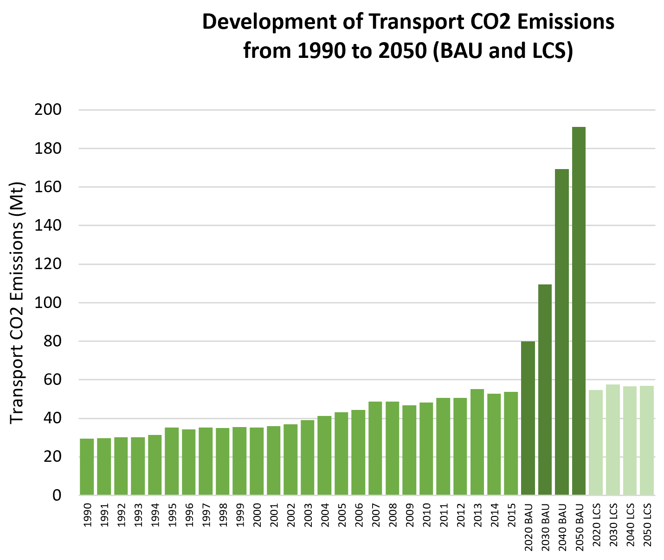
Overview of Transport CO2 Emissions
Transport CO2 Emissions (Mt): | 53.6
Share of Transport in Total Economy-Wide CO2 Emissions: | 12.09% | Global Avg: 29.85% |  |  |  |  | Transport CO2 1990-2015:
Share of Road Transport in Transport CO2 Emissions: | 93.10% | Global Avg: 93.64% |  |  |  |  | 81%
Transport CO2 Emissions per Capita (t CO2/person): | 1.0 | Global Avg: 1.24 |  |  |  |  | BAU 2020-2050:
Transport CO2 Emissions per GDP (t CO2/10,000 USD): | 1.3 | Global Avg: 1.3 |  |  |  |  | 139%
Projected Transport CO2 Emissions for BAU Projections (Mt): | 109.5 | for 2030 |  |  |  |  | LCS 2020-2050:
 | 191.2 | for 2050 |  |  |  |  | 4%
Projected Transport CO2 Emissions for Low Carbon Scenario (LCS) (Mt): | 57.6 | for 2030 | Emission data is based on IEA (2015); SLoCaT (2015) |  |  |  | Emission data is based on IEA (2015); SLoCaT (2015)
 | 56.8 | for 2050

World Bank (2015)
World Bank (2015)
Low Carbon High Volume Transport |  |  |  | Quick Win Low Carbon Transport Measures
Size of Rail Network (km): | 20,500 |  |  | Accelerate tighter diesel fuel quality standards to reduce Black Carbon and other SLCP | Accelerate phase-out of fossil fuel subsidies. | Introduce and scale up pricing for car-related travel options | Limit import of inefficient and polluting second hand trucks
Railway Passenger Activity (million pkm): | 14,689
BRT System Length (km): | 74 |  | BRT Data (2016) | Formulate Sustainable Urban Mobility Plans, supported by a National Urban Mobility Policy | Implement (ultra-) low emission zones, incl. car-free zones in city centers | Provide and improve walking and cycling infrastructure | Promote electric two- and three wheelers, incl. e-vehicle sharing
BRT System Passengerper Day: | 108,178 |  | BRT Data (2016)
Various Sources
Urban Rail System Length (km): | No Data |  |  | Improve freight efficiency | Tighten fuel economy standards
Fuel Emission Standards: | No Data |  |  | Legend Keys
 |  |  | UNEP (n.d.) | None | Being discussed or small pilot projects | Some implementation or pilot projects | Full-scale or large projects

What priority does reducing greenhouse gas (GHG) emissions have in national/ local decisions that affect transport?
Congestion relief, reduced motorisation, improved public transport quality, and improved access are the key stated transport priorities in South Africa. Subsequent to country’s first democratic elections in April 1994, transport needs in the country were identified variously as safety, shorter travel times, affordable fares, less overcrowding, reduced walking distances, and improved access to facilities (Jennings et al, 2018). The 1994 Reconstruction and Development Programme stated in its key programme, Meeting Basic Needs, that ‘a future transport policy must promote coordinated, safe, affordable transport as a social service’ (Jennings et al, 2018). By 2007, South Africa’s Public Transport Strategy makes it clear that ‘mass motorisation of the South African population [is not] possible, [but is also not] desirable, nor equitable’; the Strategy conceptualises transport in terms of quality mobility. National government proposed Bus Rapid Transit (BRT) services as ‘the mobility wave of the future, and the only viable option that can ensure sustainable, equitable and uncongested mobility in liveable cities and districts’ (Jennings et al, 2018). Both the National Development Plan (2012) and the National Transport Master Plan (NATMAP) (2015) see a need to maintain and expand transport infrastructure to support South Africa’s economic growth and social development goals. Decisions regarding the provision of transport are to be ‘consistent with national interests, such as meeting basic needs, growing the economy, developing human resources, and democratising the state and society, while also being environmentally and economically sustainable as well as financially viable (Jennings, 2018, in press). The narrative of ‘low-carbon’, low-emissions transport that mitigates climate change is a relative recent one.

What are the principal barriers/obstacles that could make broader implementation of LC-HVT difficult to achieve?
In line with policy statements above, study respondents indicate that ‘low carbon is definitely not a priority in terms of South African government thinking’. ‘This is a vast country, and government simply cannot make this a priority. Poverty imperatives, and the provision of mobility, are more important. And eventually, it will be about climate adaptation not mitigation.’ Further, there is rarely a direct link made between low-carbon transport and air quality, poverty, ill health, and ultimately access and transport justice – and ‘the staggering extent of corruption, theft, and ineptitude can seem like insurmountable barriers’ (expert interviews). Like with other African countries, South Africa has to contend with two parallel transport challenges: high-carbon, private-car-dependency among the middle-classes, and poor quality mobility and transport disadvantage among the poor. While some measure pf Bus Rapid Transit (BRT) services have been rolled out in 12 cities and large towns in the country, these services have largely been intended to provide better quality mobility to those already using public transport (in the form of unscheduled paratransit services). It is not easy to finance public transport operations in South African cities, where the urban form generates low passenger volumes and high peak/off-peak ratios (Salazar-Ferro, 2017). During the course of 2017, South Africa’s National Department of Transport and the National Treasury raised the alarm that the country’s BRTs were making losses ‘significantly higher than anticipated’. These systems were, at best, recovering 40% of their operating costs through fares (NDoT, 2016). Even the most-used BRT system (by daily ridership) in South Africa, MyCiTi in Cape Town, required a 75% operating subsidy in the 2016/17 financial year (Schalekamp et al, 2017).

What is being done to implement low carbon transport? What have been the core influencers of the proposed/current LCT interventions?
As part of the Copenhagen Accord (December 2009), under the UNFCCC, South Africa is obliged to report on its greenhouse gas (GHG) emissions via the National Atmospheric Emission Inventory System. South Africa pledged a GHG emissions reduction target of 34% by 2020 and 42% by 2025 below the business as usual trend. In line with this pledge and the Paris Agreement (2015), South Africa’s Nationally Determined Contribution (NDC) commits the country to limiting its GHG emissions to peak at a range between 398 and 614 Mt CO2e over the period 2025-2030 (NDoT, 2017), and makes specific mention of adding electric and hybrid electric vehicles. The National Climate Change Response Policy (2011) is South Africa’s comprehensive response to climate change. It presents a vision for the long-term transition to what it describes as a climate-resilient, equitable, and internationally competitive lower-carbon economy and society (NCCRP, 2011). The Climate Change Response Policy (2011) had mandated the DoT to lead a Transport Flagship Programme: “As part of the Transport Flagship Programme, the Department of Transport will facilitate the development of an enhanced public transport programme to promote lower-carbon mobility … and create an Efficient Vehicles Programme with interventions that result in measurable improvements in the average efficiency of the South African vehicle fleet by 2020.” In order to develop the transport mitigation approaches set out in the Climate Response Policy, the Department of Environmental Affairs (DEA) established a Transport Technical Working Group. The group considered mitigation in the air, road and rail transport sectors. In 2014, the DEA (2014) published a Mitigation Report, which analysed the potential for South Africa’s GHG mitigation in multiple sectors. The analysis therefore identified a range of road-transport measures that could deliver emissions reductions by 2050. These included modal shifts, demand reduction measures, more efficient vehic
South Africa has had a National Biofuels Strategy since 2007. The regulatory framework provides financial support to biofuel manufacturers via a general fuel levy, but this has not been enough to encourage production. In August 2015 the South African government announced that the biofuel funding incentive would be revamped over concerns that it was unaffordable after the drop in global crude oil prices. Several targets have been set by South Africa to improve vehicle efficiency, increase the use of cleaner fuels, and the uptake of electric vehicles (EVs). In its BUR submitted in 2017, South Africa set a target to achieve a 20% improvement in average vehicle energy intensity (MJ/km). The country also focused on the integration of EVs and targeted that 20% of its fleet be hybrid-EVs by 2030. In 2014, South Africa focused on a Compressed Natural Gas (CNG) industry fuel switch and CNG vehicle fuel switch, which led to a GHG reduction of 0.0027 Mt CO2eq over 10 months (Mar-Dec 2014). The pilot pointed to an estimated GHG reduction of 165,896 Mt CO2eq over a 10-year period, which assumes a 23-27% emission reduction per vehicle in South Africa from 2014 to 2024.

Existing Avoid Strategies |  | Existing Shift Strategies |  |  | Existing Improve Strategies

Land Use |  | Public Transport (Bus and Urban Rail), Walking Measures, Cycling Measures, Green Freight Measures |  |  | Measures to Improve Efficiency, Biofuels, CNG, E-Mobility, Intelligent Transport System, Rail Infrastructure Development

Based on NDCs, NCs and BURs

This factsheet was generated by The Partnership on Sustainable, Low Carbon Transport (SLoCaT). Data is based on TraKB Version 0.2.

References

Expert interviews SSATP (2015) Policies for Sustainable Accessibility and Mobility in Urban Areas of Africa Cities, TRANSITEC Consulting Engineers Ltd (M. Stucki), in collaboration with ODA, CODATU and Urbaplan Gail Jennings, Roger Behrens, Christo Venter and Mark Zuidgeest (2018) Scoping study: transport and social exclusion in African cities. South Africa Scoping Study Report. Volvo Research and Educational Foundations Jennings, Gail (2018, in press). “Why should we build cycling lanes? For what?” Building a socially just bicycle programme in an unequal city: the case of Johannesburg. For GCRO (Gauteng City-Region Observatory Salazar-Ferro, P (2017) Paratransit – formal service relationships in urban public transport systems: Case studies of hybridity and operational complementarity (submitted for the degree of Doctor of Philosophy, Department of Civil Engineering, University of Cape Town) Schalekamp, H, Mclaren M & Behrens, R (2017) “Exploring cashless fare collection in the contact of urban public transport reform in South Africa”, Southern African Transport Conference (SATC) 2017 National Department of Transport (NDoT) 2016) Terms of Reference for the Development of a Public Transport Subsidy Policy

World Bank (2015)

 | Global Average | South Africa
Road | 4.0370572886 | 5.0299109966
Rail | 3.3508126029 | 3.8003906676
Port | 4.022269968 | 4.8523107417
Air | 4.401148766 | 5.9917699611

Uganda
Country Profile of
 |  | Income Level Group: | Low-income | Population Size (million): | 42.86
Uganda | GDP per Capita: |  | 641.18 | Share of Urban Population: | 16.78%
 | Motorization Rate (Vehicles per 1,000 ppl): |  | 12.21 | HDI: | 0.493
 |  |  |  | Petroleum Consumption (Barrels Oil/Day): | 27

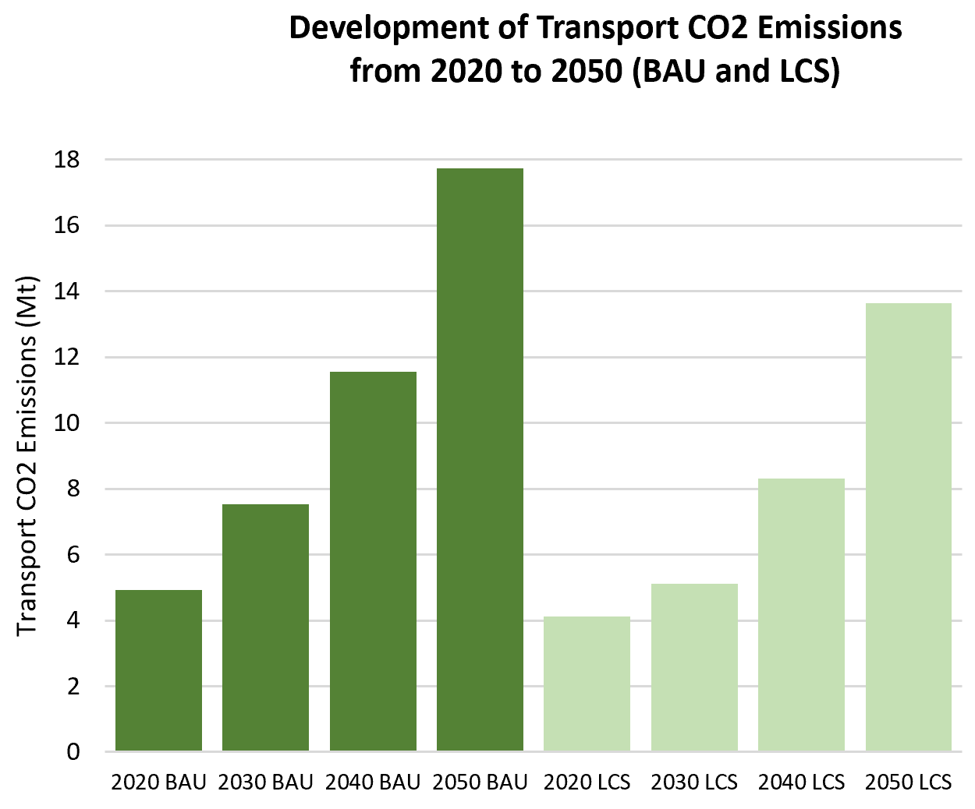
Overview of Transport CO2 Emissions
Transport CO2 Emissions (Mt): | No Data
Share of Transport in Total Economy-Wide CO2 Emissions: | No Data | Global Avg: 29.85% |  |  |  |  | Transport CO2 1990-2015:
Share of Road Transport in Transport CO2 Emissions: | No Data | Global Avg: 93.64% |  |  |  |  | N/A
Transport CO2 Emissions per Capita (t CO2/person): | No Data | Global Avg: 1.24 |  |  |  |  | BAU 2020-2050:
Transport CO2 Emissions per GDP (t CO2/10,000 USD): | No Data | Global Avg: 1.3 |  |  |  |  | 261%
Projected Transport CO2 Emissions for BAU Projections (Mt): | 7.5 | for 2030 |  |  |  |  | LCS 2020-2050:
 | 17.7 | for 2050 |  |  |  |  | 232%
Projected Transport CO2 Emissions for Low Carbon Scenario (LCS) (Mt): | 5.1 | for 2030 | Emission data is based on IEA (2015); SLoCaT (2015) |  |  |  | Emission data is based on IEA (2015); SLoCaT (2015)
 | 13.6 | for 2050

World Bank (2015)
World Bank (2015)
Low Carbon High Volume Transport |  |  |  | Quick Win Low Carbon Transport Measures
Size of Rail Network (km): | No Data |  |  | Accelerate tighter diesel fuel quality standards to reduce Black Carbon and other SLCP | Accelerate phase-out of fossil fuel subsidies. | Introduce and scale up pricing for car-related travel options | Limit import of inefficient and polluting second hand trucks
Railway Passenger Activity (million pkm): | No Data
BRT System Length (km): | No Data |  | BRT Data (2016) | Formulate Sustainable Urban Mobility Plans, supported by a National Urban Mobility Policy | Implement (ultra-) low emission zones, incl. car-free zones in city centers | Provide and improve walking and cycling infrastructure | Promote electric two- and three wheelers, incl. e-vehicle sharing
BRT System Passengerper Day: | No Data |  | BRT Data (2016)
Various Sources
Urban Rail System Length (km): | No Data |  |  | Improve freight efficiency | Tighten fuel economy standards
Fuel Emission Standards: | No Data |  |  | Legend Keys
 |  |  | UNEP (n.d.) | None | Being discussed or small pilot projects | Some implementation or pilot projects | Full-scale or large projects

What priority does reducing greenhouse gas (GHG) emissions have in national/ local decisions that affect transport?
Uganda’s primary commitments in terms of its NDC is adaptation to climate change and the reduction of vulnerability (Enriquez, et al, 2018) – key areas for adaptation in the transport sector include promoting fuel and vehicle efficiency, as, like other countries in the region, Uganda is dependent on vehicle and fuel imports, and is focused on economic development and poverty alleviation. The country’s Vision 2040 focuses on implementation of transport infrastructure, rather than on transport service, in order to strategically enable key economic opportunities in Uganda (Enriquez, et al, 2018). At the same time, Uganda’s 2015 National Climate Change Policy and its Nationally Determined Contribution (NDC) recognise the need to mitigate emissions from vehicles and ensure that transport infrastructure is climate resilient. The climate priorities for Uganda’s transport sector are to: develop and ensure integrated planning and management of transport and other physical infrastructure that build on insights from climate predictions, promote the development, approval, and effective implementation of a long-term national transport policy and plan that will take greenhouse gas mitigation concerns into account (Enriquez, et al, 2018).

What are the principle barriers/obstacles that could make broader implementation of LC-HVT difficult to achieve?
The competitiveness, attractiveness and productivity of Uganda’s capital, Kampala are severely impacted by its poor road network, its water and sewer systems, poor rail access and unreliable supply of energy. Road congestion is a way of life. Commuters from suburbs less than 20 km from the city centre can take an hour or so to travel each way, and incur high transportation costs. (SSATP, 2015). Thus where public transport and roadway improvements are sought, this is largely underpinned by a desire to improve mobility and productivity. Respondents cite lack of funding, poor political will, and corruption, and key barriers to achieving substantial low-carbon developments. There is a difficulty in understanding the link between transport and sustainable development goals (expert interviews) and politicians find it easier to ‘buy’ votes with promises of road-building (responding to the country’s rapid rate of motorisation) rather than sustainable development. By and large, politicians – the ultimate decision-makers – regard technical advice as interference.

What is being done to implement low carbon transport? What have been the core influencers of the proposed/current LCT interventions?
Parking and congestion in the inner city are rated pressing issues in Kampala, with the lack of formal, scheduled public transport supply one of the biggest challenges. The lack of and quality of road infrastructure is another challenge, and high air pollution levels and crash rates are a direct consequence of the poor public transport supply and related congestion. Travel time and the negative impacts of congestion are major issues (SSATP, 2015). Thus where public transport and roadway improvements are sought, this is largely underpinned by a desire to improve mobility and productivity. Uganda has a National Transport Master Plan (2008) which sets a 15-year scenario for future development and management of the transport sector, including a transport sector investment plan, and an outline of the required institutional and regulatory framework and its implementation (Jennings et al, 2016). In 2012 the Uganda Ministry of Works and Transport published a standalone NMT policy. The National Transport Master Plan, along with all other transport policies and strategies, is deliberately positioned within Uganda’s overall national development framework, supporting and aligning with the nation’s development targets. The aim of the Master Plan is to provide an agenda that could be integrated into a larger framework of development, and to provide an implementation pathway for Uganda’s vision for the transport sector to have “a full-developed and sustainable national transport system for all by 2050 (Enriquez, et al, 2018). Since its adoption, two further plans have been published. Futher, t National Transport Master Plan is integrated with the Comprehensive National Development Planning Framework and the Uganda Vision 2040 to have “a transformed Ugandan society from a peasant to a modern and prosperous country within 30 years” (Enriquez, et al, 2018). In terms of current low-carbon transport measures, Uganda’s 2nd NC highlighted the provision of incentives for low carbon and

Existing Avoid Strategies |  | Existing Shift Strategies |  |  | Existing Improve Strategies

 |  | Public Transport, Green Freight Measures, |  |  | Other Measures to Improve Energy Efficiency (Fuel Efficiency), Maintenance and Inspection

Based on NDCs, NCs and BURs

This factsheet was generated by The Partnership on Sustainable, Low Carbon Transport (SLoCaT). Data is based on TraKB Version 0.2.

References

Expert interviews SSATP (2015) Policies for Sustainable Accessibility and Mobility in Urban Areas of Africa Cities, TRANSITEC Consulting Engineers Ltd (M. Stucki), in collaboration with ODA, CODATU and Urbaplan Jennings, Gail et al. (2016) Global Outlook on Walking and Cycling: Policies and Realities from around the world UN Environment (UNEP), Nairobi Enriquez, Angela, et al (2018) Uganda’s National Transport Master Plan Potential for low-carbon development. LEDS Global Partnership / WRI Ross Center for Sustainable Cities

World Bank (2015)

 | Global Average | Uganda
Road | 4.0370572886 | 3.4758896473
Rail | 3.3508126029 | 1.588095759
Port | 4.022269968 | 2.4998290411
Air | 4.401148766 | 3.187802493

